Database
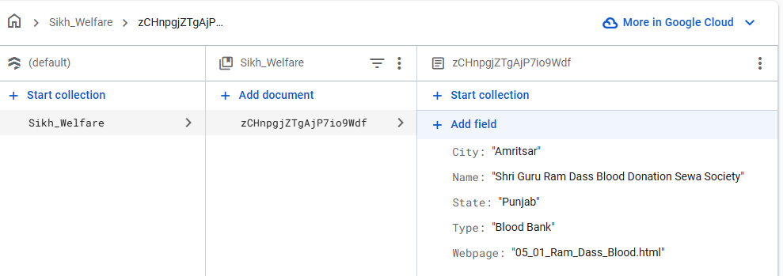
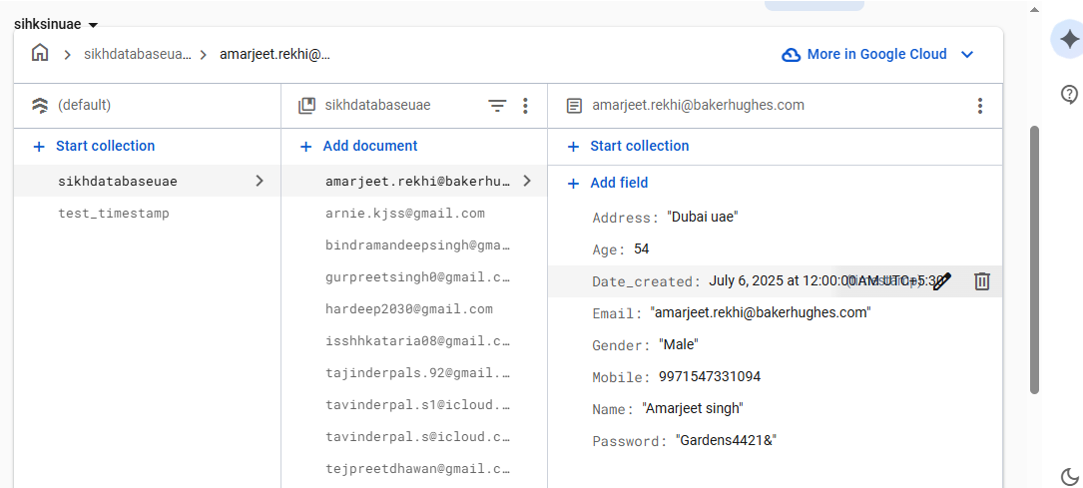
https://console.firebase.google.com/u/1/project/sikhsinindia-67a6b/firestore/databases/-default-/data/~2FSikh_Welfare~2FzCHnpgjZTgAjP7io9Wdf

Email
https://www.emailjs.com/ | Lal@7277

Dear {{name}},

Welcome to the "Sikhs in UAE" family! We're thrilled to have you as part of our growing community. |  | 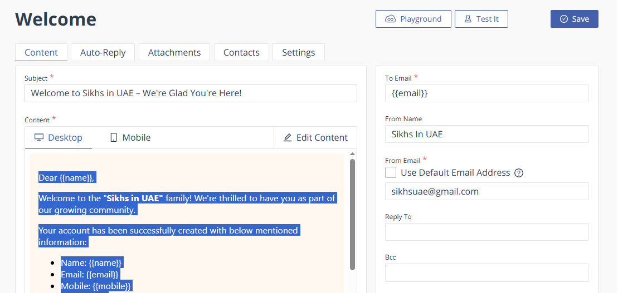

Your account has been successfully created with below mentioned information:

Name: {{name}}
Email: {{email}}
Mobile: {{mobile}}
Age: {{age}}
Address: {{address}}
Gender: {{gender}}

You're now all set to explore everything our platform has to offer. From community updates and cultural events to helpful resources and member connections — there’s so much waiting for you.

If you know friends or family who would also enjoy being part of this vibrant community, feel free to share our website with them — everyone is welcome!

If you have any ideas, suggestions, or need assistance, you could share by pressing the "Feedback" button at the botto of the Home page.

You could also reach us anytime at [sikhsuae@gmail.com]

We’re happy to have you as part of our team, and we look forward to sharing this journey with you!

Warm regards,
"Sikhs in UAE" Team

